Business Structure
Business Structure

Location Type | Sample | 1 | 2 | 3 | 4 | 5 | 6 | 7
(Samples) | Department | Corporation | Company | Business Unit (not uniform) | Division | Cost Center | Job
Name (populate this line)
Used for Temporary Transfers? | No
Temporary Rates based on this level? | No
Pass Value to Payroll with Hours? | No
Field Length | 6
 | - | - | - | - | - | - | - | -
 | 6
Sample Name/ID | 999999
Sample Description | Accounting
Where is the Location Type Entry assigned to the Employee in the Source? | Payroll Home Department
Will Cost Centers be assigned at this level? | No

BUSINESS STRUCTURE NOTES:
Job Codes to be determined. Working through Success Factors to create new ones.

*Note that 7 types are shown above - Unlike Labor Levels, Business Structure does not have a defined number of types. See the matrix below on the default types:

Default Types | Usage Tips
100 - Company | Should remain as the top Type in the hierarchy.
200 - Site | Should be assigned at the level that best describes physical locations.
300 - Department | Usually one of the lowest types; when the name department does not make sense at this level, modify the name but keep the location category assignment
Category (Forecasting Only) | Used this type in Forecasting Only.
Job | This type is not assignable to locations. Rather, it represnts the jobs you create and assign to the locations.

Tip: Use the defalut location types that appear in a new tenant when possible. They may be renaed and their descriptions may be changed without effecitve date impacts.

Business Structure

Questionnaire:
Ask the client if they have a documented hierarchical reporting structure
You can review HR and PR data to help with analysis and make recommendations
What is needed for manager visibility? Will managers see only their direct reports or are there other groupings?
Are there any required reports that include groupings of employees?
Is there any data that needs to be passed to payroll for general ledger tracking?
Will employees be making temporary transfers?
Lay out proposed Business Structure and review with client before you begin configuration
Confirm which HR or PR fields will be mapped to each component
Once you have the Business Structure setup confirmed , request a list of the employees with each mapped component (If this is Vantage, you can run an ADPR to pull this data)
Request a list of Jobs from the client - do they want to see job codes or description in the product? (If this is Vantage, you can run an ADPR to pull this data)

Terminology and Example:
ADP’s Time solution allows your employees and managers to track hours within a Business Structure to determine ‘where’ within the organization hours were worked.
The Business Structure is used for 3 key reasons within the Time & Attendance application.
1. Manager to Employee Visibility: The ability to limit Supervisors to view only employees who fall into certain parts of the Business Structure.
2. Reporting: The ability to break out reports for certain sections of the Business Structure.
3. Cost Accounting: The ability to ensure that items are allocated to the appropriate portion of the Business Structure or Cost Center when passed to other applications (Payroll).

A business structure is a hierarchical representation of your organization, consisting of (1) Location Types (divisions, departments, regions, etc.…) and (2) Jobs.
Each Location Type has valid values. For instance a location type of Division might have four valid values: Northeast, Southeast, Midwest, and West.
Jobs are always assigned to a location type at the end of a hierarchal path in the business structure. The complete hierarchal path is called a Primary Job. Each employee is assigned a home/default Primary Job in Time.

Cost Centers can also be associated with specific Location Types in the Business Structure. Cost Centers are typically included in order to track labor costs for accounting/GL purposes.

IMPORTANT: The Business Structure is meant to be more of a 'static' structure. You can make additions/changes to it, but it is not designed for frequent changes. For instance, it is not meant to track items such as work orders which are being added frequently. Items such as work orders do not fall into 'where' an employee is working, but rather 'what' an employee is working on. If you have items similar to work orders, then refer to the Labor Categories tab.

 |  |  |  |  | In the example on the left, Acme Healthcare (the organization), has 3 Location Types: 1) Company 2) Facilities 2) Departments There is one company: Acme Healthcare, Inc. There are two Facilities: LaGrange Hospital and Greenville Immediate Care. There are two Departments: OR and Maternity. There are three different jobs at Acme Healthcare: RN, LPN, or CNA. There are 5 Primary Jobs that associates can work in at Acme Healthcare: 1) Acme Healthcare / LaGrange Hospital / OR / RN 2) Acme Healthcare / LaGrange Hospital / OR / LPN 3) Acme Healthcare / LaGrange Hospital / Maternity / RN 4) Acme Healthcare / LaGrange Hospital / Maternity / CNA 5) Acme Healthcare / Greenville Immediate Health / RN The highlighted path in the business structure shows someone who works in the Primary Job of: Acme Healthcare / LaGrange Hospital / Maternity / RN Also, note that in this example that for accounting purposes Acme wants to track costs by Cost Center: Cost Center 1004 is assigned to the OR department at LaGrange Hospital. Anyone who works in the OR Department will have their wages charged to cost center 1004. Likewise, Cost Center 1001 is assigned to the Maternity department at LaGrange Hospital, and Cost Center 1085 is assigned to the Greenville Immediate Care facility. Each employee will be assigned a home/default primary job, where their hours worked will accrue. Employees can also be allowed to temporarily transfer throughout the business structure as they work (or to limited areas of the business structure) – charging out their time accordingly. For example, an RN in Maternity could transfer to an RN in the OR to work for a particular day or portion of a day and their hours worked would be charged there.
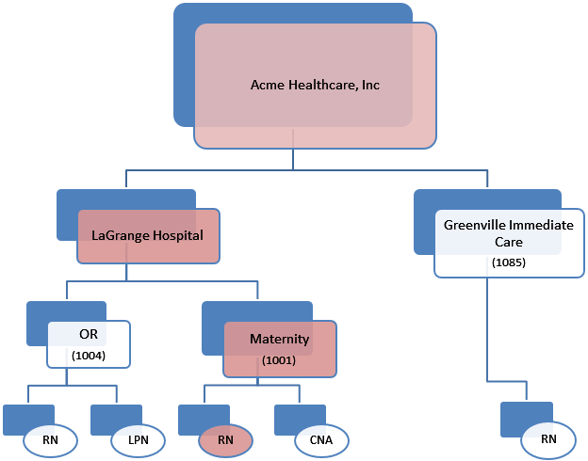

Employee to Manager Assignment - Employee Groups
Employee-to-Manager assignments are controlled in Time by grouping employees together based on portions of the Business Structure. These groupings are called “Employee Groups”, and Employee Groups are assigned to managers. For example:
Julie is a manager, and she can see all of the RNs in the LaGrange Hospital OR. Therefore we create an Employee Group named ‘LaGrange OR RNs’ (or something that identifies the group), and that group consists of the Acme Healthcare/LaGrange Hospital/OR/RN portion of the business structure. We assign that employee group to Julie.
David is a manager and he can see all employees in the OR (including the same RNs that Julie can see). We create an Employee Group named ‘LaGrange OR’, and that group consists of the Acme Healthcare/LaGrange Hospital/OR portion of the business structure. We assign that employee group to David.
Lupe is a manager and he can see all RNs in the organization. We create an Employee Group named ‘RNs’, and that group consists of the Acme Healthcare/LaGrange Hospital/OR/RN, Acme Healthcare/LaGrange Hospital/Maternity/RN, and Acme Healthcare/Greenville Immediate Care/RN, portions of the business structure. We assign that employee group to Lupe.
This type of configuration allows for a great deal of flexibility in the application. A group of employees can be assigned to multiple managers. Likewise an employee can fall into multiple groups, which allows for a hierarchical structure in Time.

Indicate which location type(s) you will be able to base the Employee Groups on by indicating a 'Yes' or 'No' next to each level: |  |  | LOCATION TYPE # | LOCATION TYPE NAME | YES / NO
 |  |  | 1
 |  |  | 2
 |  |  | 3
If you feel your existing selection of Location Types will not provide the integrity to base your Employee Groups on, then ensure to discuss your requirements with your Implementation Consultant. |  |  | 4
 |  |  | 5
 |  |  | 6
 |  |  | 7

